ECDIS User Settings - FMD
 | SAFETY, HEALTH, ENVIRONMENT AND QUALITY MANAGEMENT SYSTEM ECDIS USER SETTINGS (FMD) REPORTING FORMS MANUAL |  | Page : 1 of 1 Form : 1.3.2 Date : 08 Aug 2025 Rev : 10.1 App By : DPA

Below settings must not be changed without Master's instructions

Tick against present setting:
Dep/Arrival Berth/Channel
Harbour /Confined Water
Coastal Water
Open Sea
USER ALARM SETTINGS
Shallow Contour (m) (Enter Max draft of vessel)
Safety Depth (m) (As per form 1.3.2)
Safety Contour (m) (As per form 1.3.2)
Deep Contour (m) (Atleast twice the maximum draft of vessel and always more than safety contour )
Look Ahead | Length / Distance (Minutes) | 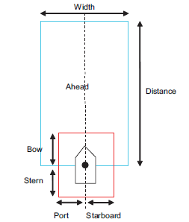
 | Width (m)
Look Around | Port (m)
 | Stbd (m)
 | Bow (m)
 | Stern (m)
Cross Track Limits XTD Stbd side (m)
Cross Track Limits XTD Port side (m)
Note:
1. Attach laminated copy with ECDIS, fill up using marker pen
2. Recommended Minimum settings for Look Ahead alarm: Pilotage / confined waters / channel: Ahead – 0.5 to 2 mins, Width - 75m, Port/Stbd/stern – 50m, bow - 185m. Coastal waters: Ahead – 12 mins,Width 570m, Port/Stbd/bow/stern – 185 m. Open waters: Ahead – 30 mins,Width 1000m, Port/Stbd/bow/stern – 370 m.
3. Recommended Minimum settings for XTD values are as follows: • Open Sea: 2.0 NM (3704 m) either side of the course. • Coastal water: 1.0 NM (1852 m) either side of the course. • Harbour/ Confined Waters: 0.1NM (185 m) on either side as much as possible. • Channel/TSS/Two way route: 0.06NM (110 m) on either side as much as possible but within the boundary limit
4. Data as per this sheet to be entered in ECDIS

